Roof 표준
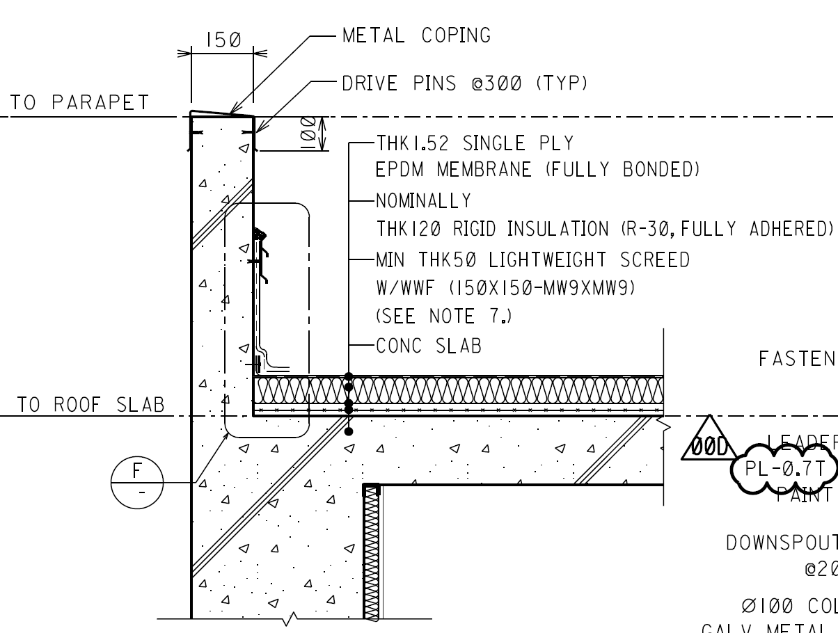
SACE
팀 기준 사양 : Roof |  |  |  |  |  |  |  |  |  |  |  | 프로젝트 적용 현황
* 동일 Finish Material 의 두께, Size, 높이가 다른 경우 => 별도 구분 않함.
Concrete Roof |  |  |  |  |  |  |  |  |  |  |  | Concrete Roof
Project | Building | Description | Style No | Style Name (Key Name) | Base Material Roof | Roof Finish 1 | Roof Finish 2 | Roof Finish 3 | Roof Finish 4 | Roof Finish 5 | Remark | Project | Building | Description | Base Material Roof | Roof Finish 1 | Roof Finish 2 | Roof Finish 3 | Roof Finish 4 | Roof Finish 5 | Remark
Slope < Insulation < Waterproofing |  |  | RF11 | Lightweight Concrete(Slope)+Insulation+Waterproofing | Concrete Slab | Light-Weight Concrete Screed (Slope 1%) | 0 | Rigid Extruded Polystyrene Foam Insulation(XPS) | Waterproofing Membrane-EPDM(or Equivalent) | 0 |  | Slope < Insulation < Waterproofing
SACE |  |  | RF11 | Lightweight Concrete(Slope)+Insulation+Waterproofing | Concrete Slab | Light-Weight Concrete Screed (Slope 1%) | 0 | Rigid Extruded Polystyrene Foam Insulation(XPS) | Waterproofing Membrane-EPDM(or Equivalent) | 0 |  | SACE |  |  | Concrete Slab | Min. THK50 Lightweight Screed w / WWF (150x150-MW9xMW9) *Slope : 2% |  | Nominally THK120 Rigid Insulation (R-30, Fully Adhered) | THK1.52 Single Ply EPDM Membrane (Fully Bonded)
IKAN |  |  | RF12 | Mortar Screed Concrete(Slope)+Insulation+Waterproofing | Concrete Slab | Mortar Screed (Slope 1%) | PE Sheet (Vapor Barrier) | Rigid Extruded Polystyrene Foam Insulation(XPS) | Waterproofing Membrane-EPDM(or Equivalent) | 0 |  | IKAN |  |  | Concrete Slab | Min. THK50 Cement Screed *Slope : 1% | THK.0.15mm P.E FILM | THK110mm Rigid Extruded Polystyrene Insulation | Fully Bonded THK1.5 Single Ply EPDM Sheet
SARB |  |  | RF13 | Lightweight Concrete(Slope)+Insulation+Waterproofing+Gravel | Concrete Slab | Light-Weight Concrete Screed (Slope 1%) | 0 | Rigid Extruded Polystyrene Foam Insulation(XPS) | Waterproofing Membrane-EPDM(or Equivalent) | Gravel for Roof |  | SARB |  |  | Concrete Slab | Min. Thk.30 Light Weight Conc. W/Slope of 1:75 | Min. Thk.75 Rigid Insulation Board | Base Sheet on Sheating Paper | 4 Pilies Asphaly Sheet | Granule Surfaced Cap Sheet (SR1>=78)
AFEC | Admin. and Control Bldg |  |  |  |  |  |  |  |  |  |  | AFEC | Admin. and Control Bldg |  | Deck Slab | Tapered Rigid Insulation for Slope | Rigid Insulation (R30) | TPO Membrane system w/Protection board
Slope < Waterproofing < Insulation < Protection |  |  | RF21 | Concrete Slab(Slope)+Waterproofing+Insulation+Protection Concrete | Concrete Slab (Slope 1%) | 0 | Waterproofing Membrane-EPDM(or Equivalent) | Rigid Extruded Polystyrene Foam Insulation(XPS) | PE Sheet (Vapor Barrier) 2Plies | Protective Concrete w/ Steel Trowel Finish |  | Slope < Waterproofing < Insulation < Protection
UTCC |  |  | RF21 | Concrete Slab(Slope)+Waterproofing+Insulation+Protection Concrete | Concrete Slab (Slope 1%) | 0 | Waterproofing Membrane-EPDM(or Equivalent) | Rigid Extruded Polystyrene Foam Insulation(XPS) | PE Sheet (Vapor Barrier) 2Plies | Protective Concrete w/ Steel Trowel Finish |  | UTCC |  |  | Concrete Slab / Steel Trowel Finish *Slope |  | Bituminous Water Proof Membrane (THK.4mm) | THK.100 Polystyrene Rigid Insulation (Compressive Strength Min.40 kPa) | THK.0.1 P.E Film (2 Plys) | THK.60 Protection Concrete (w/ #8-150x150 W.W.F)
TIPO |  |  | RF22 | Concrete Slab(Slope)+Waterproofing+Insulation+Concrete Roof Tile | Concrete Slab (Slope 1%) | 0 | Waterproofing Membrane-EPDM(or Equivalent) | Rigid Extruded Polystyrene Foam Insulation(XPS) | PE Sheet (Vapor Barrier) 2Plies | Concrete Roof Tile |  | TIPO |  |  | Concrete Slab / Steel Trowel Finish *Slope |  | Asphalt Primer / 2 Layers of Asphalt-Impregnated Roofing Felt | THK.50 Rigid Insulation | 2 Layers of P.E Film (THK.0.1mm) | Min. 15mm Cement Mortar / Concrete Roof Tile (300x300x30)
RAPO |  |  | RF22 | Concrete Slab(Slope)+Waterproofing+Insulation+Concrete Roof Tile | Concrete Slab (Slope 1%) | 0 | Waterproofing Membrane-EPDM(or Equivalent) | Rigid Extruded Polystyrene Foam Insulation(XPS) | PE Sheet (Vapor Barrier) 2Plies | Concrete Roof Tile |  | RAPO |  |  | Concrete Slab / Steel Trowel Finish *Slope 1% (W.W.F #8 150x150) |  | THK.4 Waterproofing Membrane w/ Cold Worked Prime Coat | THK.75mm Rigid Insulation (Polystyrene) | THK.0.1mm P.E Film 2 Ply | Min. 20mm Bed Mortar / Precast Concrete Roof Tile (400x400x40)
GULF |  |  | RF24 | Lightweight Concrete(Slope)+Waterproofing+Insulation+Roof Tile | Concrete Slab | Light-Weight Concrete Screed (Slope 1%) | Waterproofing Membrane-EPDM(or Equivalent) | Rigid Extruded Polystyrene Foam Insulation(XPS) | Geotextile | Concrete Roof Tile |  | GULF |  |  | Concrete Slab / Steel Trowel Finish | Light Weight Celular Leveling Concrete (500~550 kg/m3) *Min. Slope 1.5% | Asphalt Primer / Double Layer Modified Bitumen Membrane Waterproofing Thk.3mm | THK.50mm Thermal Insulation Extruded Polystyrene Board (Density 32~35 kg/m3) |  | Filter Fabric / Gravel 50mm or Cement Paver (400x400x40 w/ Plastic Support) | 터키업체 설계
RAPO (GIS) |  |  | RF24 | Lightweight Concrete(Slope)+Waterproofing+Insulation+Roof Tile | Concrete Slab | Light-Weight Concrete Screed (Slope 1%) | Waterproofing Membrane-EPDM(or Equivalent) | Rigid Extruded Polystyrene Foam Insulation(XPS) | Geotextile | Concrete Roof Tile |  | RAPO (GIS) |  |  | Concrete Slab / Steel Trowel Finish | Min.50 Thk. Lightweight Form Concrete, Laid to Fall *slope 1:80 (1.25%) | Bituminous primer - 2 Coats / Bituminous Membrane - 4mm Thick | THK.75mm Extruded Polystyrene Insulation Board |  | Geo-Textile Water Filtering Membrane - Terram / Precast Concrete Roof Tile (400x400x50) | 카타르 현지설계
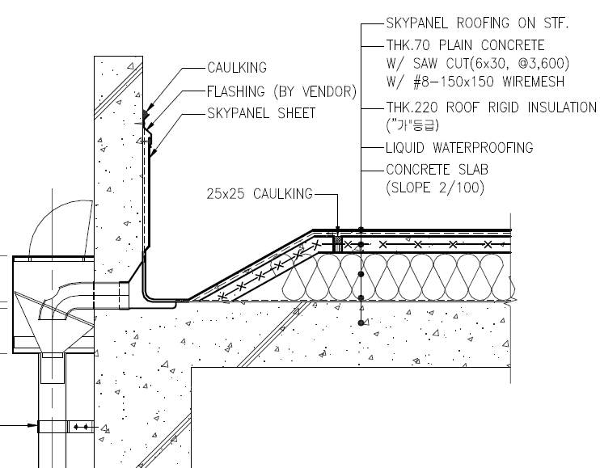
HNCC
Jebel-L |  |  | RF25 | Mortar Screed Concrete(Slope)+Waterproofing+Insulation+Roof Tile | Concrete Slab | Mortar Screed (Slope 1%) | Waterproofing Membrane-EPDM(or Equivalent) | Rigid Extruded Polystyrene Foam Insulation(XPS) | PE Sheet (Vapor Barrier) 2Plies | Concrete Roof Tile |  | Jebel-L |  |  | Concrete Slab | Min. THK.40 Slope Screed | THK.4 Waterproofing Membrane | 2 Layers of THK.50 Roofmate Sheet | 2 Layers of THK.0.1 Non-woven Polypropylene | THK.20 Sand / Building Paper / Concrete Roof Tile (400x400x40) w/ THK.20 Mortar Bedding
KLNG |  |  | RF26 | Lightweight Concrete(Slope)+Waterproofing+Insulation+Protection Concrete | Concrete Slab | Light-Weight Concrete Screed (Slope 1%) | Waterproofing Membrane-EPDM(or Equivalent) | Rigid Extruded Polystyrene Foam Insulation(XPS) | PE Sheet (Vapor Barrier) 2Plies | Protective Concrete w/ Steel Trowel Finish |  | KLNG |  |  | Concrete Slab | Min. THK50 Lightweight Concrete (Cement Screed on Lightweight Concrete for Surface Treatment) | Bituminous Coating / 4mm Bituminous Waterproofing Membrane | THK.50mm Extruded Polystyrene Rigid Board | THK.0.15mm Polyethylene Sheet | 50mm Concrete Topping with Welded Wire Fabric
 |  |  |  |  |  |  |  |  |  |  |  | HNCC |  |  | Thk150 Conc. Slab (Slope=2/100) | Liquid Water Proofing | Thk220 Insulation('가'등급) | Thk70 Plain Concrete w/#8-150x150 Wire Mesh | Skypanel Roofing System
 |  |  |  |  |  |  |  |  |  |  |  | HNCC |  |  | Thk150 Conc. Slab (Slope=1/100) | Liquid Water Proofing | Thk280 Roof Rigid Insulation('가'등급) | Thk70 Plain Concrete w/#8-150x150 Wire Mesh | Skypanel Roofing System
Waterproofing < Insulation < Protection & Slope |  |  | RF31 | Waterproofing+Insulation+Protection Concrete(Slope) | Concrete Slab | 0 | Waterproofing Membrane-EPDM(or Equivalent) | Rigid Extruded Polystyrene Foam Insulation(XPS) | PE Sheet (Vapor Barrier) 2Plies | Protective Concrete w/ Steel Trowel Finish (Slope 1%) |  | Waterproofing < Insulation < Protection & Slope
TVEP |  |  | RF31 | Waterproofing+Insulation+Protection Concrete(Slope) | Concrete Slab | 0 | Waterproofing Membrane-EPDM(or Equivalent) | Rigid Extruded Polystyrene Foam Insulation(XPS) | PE Sheet (Vapor Barrier) 2Plies | Protective Concrete w/ Steel Trowel Finish (Slope 1%) |  | TVEP |  |  | Concrete Slab / Steel Trowel Finish |  | Prime Coat / Built-up Water Proofing Membrane | THK.50 Rigid Insulation | THK.0.1 P.E Film (2 Plys) | Min.60 Protection Concrete (Slope 2/100) W/ #8-150x150 Wire Mesh *Slope 2%
VEQU |  |  | RF31 | Waterproofing+Insulation+Protection Concrete(Slope) | Concrete Slab | 0 | Waterproofing Membrane-EPDM(or Equivalent) | Rigid Extruded Polystyrene Foam Insulation(XPS) | PE Sheet (Vapor Barrier) 2Plies | Protective Concrete w/ Steel Trowel Finish (Slope 1%) |  | VEQU |  |  | Concrete Slab / Steel Trowel Finish |  | Prime Coat / Built-up Water Proofing Membrane | THK.50 Rigid Insulation | THK.0.1 P.E Film (2 Plys) | Min.60 Protection Concrete (Slope 1/100) W/ #8-150x150 Wire Mesh *Slope 1% | 지붕구체로 Slope을 줄경우, Protection Concrete의 Slope은 없음
LECO |  |  | RF31 | Waterproofing+Insulation+Protection Concrete(Slope) | Concrete Slab | 0 | Waterproofing Membrane-EPDM(or Equivalent) | Rigid Extruded Polystyrene Foam Insulation(XPS) | PE Sheet (Vapor Barrier) 2Plies | Protective Concrete w/ Steel Trowel Finish (Slope 1%) |  | LECO |  |  | Concrete Slab |  | THK3 복합방수시트 | THK.220 Roof Rigid Insulation ("가"등급) | THK.0.2 P.E Film | THK50(min) Plain Concrete *Slope : 1%
안동 (남부발전) |  |  | RF31 | Waterproofing+Insulation+Protection Concrete(Slope) | Concrete Slab | 0 | Waterproofing Membrane-EPDM(or Equivalent) | Rigid Extruded Polystyrene Foam Insulation(XPS) | PE Sheet (Vapor Barrier) 2Plies | Protective Concrete w/ Steel Trowel Finish (Slope 1%) |  | 안동 (남부발전) |  |  | Concrete Slab / Steel Trowel Finish |  | 일체형 복합방수 | THK.110mm Insulation(압출보온판 "가"급) | THK.0.1mm P.E Film 2 Ply | THK.60(min) 무근콘크리트(25-24-12) w/ #8-150x150 W.W.F. *Slope 1%
평택탈황 (서부발전) |  |  | RF32 | Waterproofing+Insulation+Lightweight Concrete(Slope) | Concrete Slab | 0 | Waterproofing Membrane-EPDM(or Equivalent) | Rigid Extruded Polystyrene Foam Insulation(XPS) | PE Sheet (Vapor Barrier) 2Plies | Light-Weight Concrete Screed (Slope 1%) |  | 평택탈황 (서부발전) |  |  | Concrete Slab |  | THK.3 Sheet 방수 | THK.50mm Insulation | THK.0.1mm P.E Film 2 Ply | THK.60 Lightweight Concrete w/ Wiremesh #8-150x150
UKAN |  |  | RF31 | Waterproofing+Insulation+Protection Concrete(Slope) | Concrete Slab | 0 | Waterproofing Membrane-EPDM(or Equivalent) | Rigid Extruded Polystyrene Foam Insulation(XPS) | PE Sheet (Vapor Barrier) 2Plies | Protective Concrete w/ Steel Trowel Finish (Slope 1%) |  | UKAN |  |  | Concrete Slab with Steel Trowel Finish | Thk.6 Waterproofing Membrane 3 Layers of 2mm Polymer Modified Bitumen | Thk.0.05 PE Film | Thk.75 Rigid Insulation, Extruded Foam Polystyrene, Min 60Kpa, Heat Treanmission Coefficient <=0.5W/m2c | Thk.0.05 PE Film | Min. Thk.100 Protection Conc.(B10) w/Welded Wire Fabric Dia. 4x150x150 for slope w/Control Hoint @1500x1500

Cladding Roof |  |  |  |  |  |  |  |  |  |  |  | Cladding Roof
Project | Building | Description |  |  |  | Cladding Sheet Material | Cladding Sheet Insulation |  |  |  | Remark | Project | Building | Description | Base Material Roof | Roof Finish 1 | Roof Finish 2 | Roof Finish 3 | Roof Finish 4 |  | Remark
 |  |  | EW61 | #N/A |  | #N/A | #N/A
IBON | Turbine House(ST) |  | RF61 | Steel Sandwich Panel (Mineral Wool Insulation) |  | Corrugated Galvanized Steel Sheet Sandwich Panel | Mineral Wool (Rock Wool) |  |  |  |  | IBON | Turbine House(ST) |  |  | THK50 Insulated Metal Cladding (Rockl Wool)

LECO | Extruder Building(ST) |  | RF62 | Steel Sandwich Panel (Glass Wool Insulation) |  | Corrugated Galvanized Steel Sheet Sandwich Panel | Glass Wool (Fiberglass) |  |  |  |  | LECO | Extruder Building(ST) |  |  | THK150 Glasswool Panel w/ 불연강판
LECO | Process Building(ST) |  | RF62 | Steel Sandwich Panel (Glass Wool Insulation) |  | Corrugated Galvanized Steel Sheet Sandwich Panel | Glass Wool (Fiberglass) |  |  |  |  | LECO | Process Building(ST) |  |  | THK150 내화 Glasswool Panel (0.5HR) w/ 불연강판
IBON | Steam Turbine Building(ST) |  | RF62 | Steel Sandwich Panel (Glass Wool Insulation) |  | Corrugated Galvanized Steel Sheet Sandwich Panel | Glass Wool (Fiberglass) |  |  |  |  | IBON | Steam Turbine Building(ST) |  |  | THK50 Insulated Metal Cladding (Glass Wool)
HNCC | Warehouse |  | RF62 | Steel Sandwich Panel (Glass Wool Insulation) |  | Corrugated Galvanized Steel Sheet Sandwich Panel | Glass Wool (Fiberglass) |  |  |  |  | HNCC | Warehouse |  |  | THK100 Glasswool Roof Panel
HNCC | Polymer Catalyst Warehouse |  | RF62 | Steel Sandwich Panel (Glass Wool Insulation) |  | Corrugated Galvanized Steel Sheet Sandwich Panel | Glass Wool (Fiberglass) |  |  |  |  | HNCC | Polymer Catalyst Warehouse |  |  | THK50 Glasswool Roof Panel w/불연강판

RAPO | Gas Turbine Building(ST) |  | RF63 | Aluminum Sandwich Panel (Mineral Wool Insulation) |  | Corrugated Aluminum Sheet Sandwich Panel | Mineral Wool (Rock Wool) |  |  |  |  | RAPO | Gas Turbine Building(ST) |  |  | THK75 Thermal Insulated Trapezoidal AL. Cladding

 |  |  |  |  |  |  |  |  |  |  |  | UKAN | Eating Building |  |  | THK 200 Roof Sandwich Panel
 |  |  |  |  |  |  |  |  |  |  |  | HNCC | Waste Material Warehouse |  |  | THK0.6 Metal Color Sheet
 |  |  |  |  |  |  |  |  |  |  |  | AFEC | Raw Water Treatment Bldg |  |  | THK2.5" PIR Insulated Roof Panel (R21)

Door Style No
Finish Style Name & Numbering : Door
* Door Size, Fire Rating이 다른 경우 => 별도 구분 않함.
※ Door Style Schedule : |  | 기본 입력된 정보 | Style Name(Key Name) | Style No. | 표준Size(Ref.) | Door 재질 | Frame 재질 | Vision/Panic
※ Door Schedule : |  | 설계자의 설계 추가 입력 정보 | Int. or Ext 입력 | Exit 입력 | Fire Rating 입력 | Hardware
Single Door
 | Style Number | Style Name (Key Name) | Ref. Door Size | Door | Frame | Vision | Panic | Fire Rating | Remark
Single Door | SD11 | Steel Door_Single | W1000 x H2100 | Steel | Steel | N.A | N.A | NA/0.5/1.0 /1.5/2.0 | Steel Door w/ Steel Frame
 | SD12 | Steel Door_Single_Vision | W1000 x H2100 | Steel | Steel | Vision | N.A | NA/0.5/1.0 /1.5/2.0
 | SD13 | Steel Door_Single_Panic Bar | W1000 x H2100 | Steel | Steel | N.A | Panic | NA/0.5/1.0 /1.5/2.0
 | SD14 | Steel Door_Single_Vision_Panic Bar | W1000 x H2100 | Steel | Steel | Vision | Panic | NA/0.5/1.0 /1.5/2.0
 | SD15 | Steel Door_Single for Shaft | W600 x H900 HVAC Duct Shaft | Steel | Steel | N.A | N.A | NA/0.5/1.0 /1.5/2.0

 | SD21 | Blast Resistant Door_Single | W1000 x H2100 | Steel | Steel | N.A | N.A | NA/0.5/1.0 /1.5/2.0 | Blast Resistant Door w/ Steel Frame
 | SD22 | Blast Resistant Door_Single_Panic Bar | W1000 x H2100 | Steel | Steel | N.A | Panic | NA/0.5/1.0 /1.5/2.0

 | SD31 | Aluminum Door_Single | W1000 x H2100 | Aluminum | Aluminum | N.A | N.A | NA/0.5/1.0/1.5 | Aluminum Door w/ Aluminum Frame
 | SD32 | Aluminum Door_Single_Vision | W1000 x H2100 | Aluminum | Aluminum | Vision | N.A | NA/0.5/1.0/1.5
 | SD33 | Aluminum Door_Single_Panic Bar | W1000 x H2100 | Aluminum | Aluminum | N.A | Panic | NA/0.5/1.0/1.5
 | SD34 | Aluminum Door_Single_Vision_Panic Bar | W1000 x H2100 | Aluminum | Aluminum | Vision | Panic | NA/0.5/1.0/1.5

 | SD41 | Glass Door_Single | W1000 x H2100 | Glass Door | SST Frame | N.A | N.A | N.A

 | SD51 | SST Door_Single | W1000 x H2100 | Stainless Steel Door | SST Frame | N.A | N.A | N.A

 | SD61 | Wood Door_Single | W1000 x H2100 | Wood | Wood | N.A | N.A | N.A
 | SD62 | Wood Door_Single_Vision | W1000 x H2100 | Wood | Wood | Vision | N.A | N.A

 | SD71 | uPVC Door | W1000 x H2100 | uPVC | uPVC | N.A | N.A | N.A

 | N.A | N.A
기준

Double Door
 | Style Number | Style Name (Key Name) | Ref. Size, Thickness | Door | Frame | Vision | Panic | Fire Rating | Remark
Double Door | DD11 | Steel Door_Double | W2000 x H2100 | Steel | Steel | N.A | N.A | NA/0.5/1.0 /1.5/2.0
 | DD12 | Steel Door_Double_Vision | W2000 x H2100 | Steel | Steel | Vision | N.A | NA/0.5/1.0 /1.5/2.0
 | DD13 | Steel Door_Double_Panic | W2000 x H2100 | Steel | Steel | N.A | Panic | NA/0.5/1.0 /1.5/2.0
 | DD14 | Steel Door_Double_Vision_Panic Bar | W2000 x H2100 | Steel | Steel | Vision | Panic | NA/0.5/1.0 /1.5/2.0

 | DD21 | Blast Resistant Door_Double | W2000 x H2100 | Steel | Steel | N.A | N.A | NA/0.5/1.0 /1.5/2.0
 | DD22 | Blast Resistant Door_Double_Panic Bar | W2000 x H2100 | Steel | Steel | N.A | Panic | NA/0.5/1.0 /1.5/2.0

 | DD31 | Aluminum Door_Double | W2000 x H2100 | Aluminum | Aluminum | N.A | N.A | NA/0.5/1.0/1.5
 | DD32 | Aluminum Door_Double_Vision | W2000 x H2100 | Aluminum | Aluminum | Vision | N.A | NA/0.5/1.0/1.5
 | DD33 | Aluminum Door_Double_Panic | W2000 x H2100 | Aluminum | Aluminum | N.A | Panic | NA/0.5/1.0/1.5
 | DD34 | Aluminum Door_Double_Vision_Panic Bar | W2000 x H2100 | Aluminum | Aluminum | Vision | Panic | NA/0.5/1.0/1.5

 | DD41 | Glass Door_Double | W2000 x H2100 | Glass Door | SST Frame | N.A | N.A | N.A

 | DD51 | SST Door_Double | W2000 x H2100 | Stainless Steel Door | SST Frame | N.A | N.A | N.A

 | DD61 | Wood Door_Double | W2000 x H2100 | Wood | Wood | N.A | N.A | N.A
 | DD62 | Wood Door_Double_Vision | W2000 x H2100 | Wood | Wood | Vision | N.A | N.A

 | N.A | N.A
기준

Double Door + Transsom
 | Style Number | Style Name (Key Name) | Ref. Size, Thickness | Door | Frame | Vision | Panic | Fire Rating | Remark
Double Door + Transsom | DDT11 | Steel Door_Double_Transsom | W2000xH2100 + W2000xH1000 | Steel | Steel | N.A | N.A | NA/0.5/1.0 /1.5/2.0
 | DDT12 | Steel Door_Double_Vision_Transsom | W2000xH2100 + W2000xH1000 | Steel | Steel | Vision | N.A | NA/0.5/1.0 /1.5/2.0
 | DDT13 | Steel Door_Double_Panic_Transsom | W2000xH2100 + W2000xH1000 | Steel | Steel | N.A | Panic | NA/0.5/1.0 /1.5/2.0
 | DDT14 | Steel Door_Double_Vision_Panic Bar_Transsom | W2000xH2100 + W2000xH1000 | Steel | Steel | Vision | Panic | NA/0.5/1.0 /1.5/2.0

 | DDT21 | Blast Resistant Door_Double | W2000xH2100 + W2000xH1000 | Steel | Steel | N.A | N.A | NA/0.5/1.0 /1.5/2.0
 | DDT22 | Blast Resistant Door_Double_Panic Bar | W2000xH2100 + W2000xH1000 | Steel | Steel | N.A | Panic | NA/0.5/1.0 /1.5/2.0

 | N.A | N.A
기준

Shutter / Sliding / Hanger / Swing / Revolving / Folding
 | Style Number | Style Name (Key Name) | Ref. Size, Thickness | Door | Frame | Manual/Motor |  | Fire Rating | Remark
Shutter | BD11 | Steel Roll Up Door_Manual |  | Steel | Steel | Manual |  | NA/0.5/1.0 /1.5/2.0
 | BD12 | Steel Roll Up Door_Motor |  | Steel | Steel | Motor |  | NA/0.5/1.0 /1.5/2.0
 | BD13 | Blast Resistant Roll Up Door_Manual |  | Steel | Steel | Manual |  | NA/1.0/2.0
 | BD14 | Blast Resistant Roll Up Door_Motor |  | Steel | Steel | Motor |  | NA/1.0/2.0
 | BD15 | Aluminum Roll Up Door_Manual |  | Aluminum | Aluminum | Manual |  | N.A
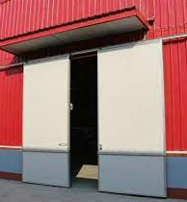
 | BD16 | Aluminum Roll Up Door_Motor |  | Aluminum | Aluminum | Motor |  | N.A

Sliding | BD21 | Steel Sliding Door_Manual |  | Steel | Steel | Manual |  | NA/0.5/1.0 /1.5/2.0
 | BD22 | Steel Sliding Door_Motor |  | Steel | Steel | Motor |  | NA/0.5/1.0 /1.5/2.0
 | BD23 | Aluminum Sliding Door_Manual |  | Aluminum | Aluminum | Manual |  | N.A
 | BD24 | Aluminum Sliding Door_Motor |  | Aluminum | Aluminum | Motor |  | N.A
 | BD25 | Glass Sliding Door_Motor |  | Glass Door | SST Frame | Manual |  | N.A | WM 항목 없음
 | BD26 | Glass Sliding Door_Motor |  | Glass Door | SST Frame | Motor |  | N.A | WM 항목 없음

Hanger | BD31 | Steel Hanger Door |  | Steel | Steel | N.A |  | N.A

Swing | BD41 | Steel Swing Door |  | Steel | Steel | N.A |  | N.A
 | BD42 | Aluminum Swing Door |  | Aluminum | Aluminum | N.A |  | N.A

Revolving | BD51 | Revolving Door_Manual |  | Glass Door | SST Frame | Manual |  | N.A
 | BD52 | Revolving Door_Auto |  | Glass Door | SST Frame | Auto |  | N.A

Folding | BD61 | Steel Folding(Accordion) Door_Manual |  | Steel | Steel | Manual |  | N.A
 | BD62 | Steel Folding(Accordion) Door_Motor |  | Steel | Steel | Motor |  | N.A
 | BD63 | Aluminum Folding(Accordion) Door_Manual |  | Aluminum | Aluminum | Manual |  | N.A
 | BD64 | Aluminum Folding(Accordion) Door_Motor |  | Aluminum | Aluminum | Motor |  | N.A
 | BD65 | PVC Folding(Accordion) Door_Manual |  | PVC | PVC | Manual |  | N.A
 | BD66 | Glass Folding(Accordion) Door_Manual |  | Glass Door | SST Frame | Motor |  | N.A | WM 항목 없음

 | N.A | N.A
기준

Door 표준
팀 기준 사양 : Door (inc. Shutter) |  |  |  |  |  |  |  |  |  |  |  |  |  | 프로젝트 적용 현황

Project | Building | Description | Style Number | Style Name (Key Name) | Door Type | Door Size (Opening) | Door | Frame | Vision | Panic | Fire Rating | Hardware | Remark | Project | Building | Description | Door Type | Door Size (Opening) | Door | Frame | Vision | Panic | Fire Rating | Hardware | Remark
Single Door |  |  |  |  |  |  |  |  |  |  |  |  |  | Single Door

HNCC | 154Kv Substation |  | SD11 | Steel Door_Single |  | W1000 x H2100 | Steel | Steel | N.A | N.A |  |  |  | HNCC | 154Kv Substation | Fire Rated Steel Door | 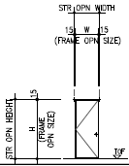 | W1160xH2290 | Steel Door Leaf Thk45mm | Galvanized Steel and Paint Thick.1.3mm | N.A | N.A | 1.0 H | -Hinge : Pivot Hinge(Top & Floor) - Vertical Flush Bolt - Cylinder lock - Door stop - Door closers | Internal
IBON | CCB(RC) |  | SD12 | Steel Door_Single_Vision |  | W1000 x H2100 | Steel | Steel | Vision | N.A |  |  |  | IBON | CCB(RC) | Steel Door |  | W1000 x H2100 | Galvanized Steel w/Paint | Galvanized Steel w/Paint | Clear Wired Glass (Thk.7mm) |  |  | -Door Lever -Cylinder Lockset -Door Closer -Door Stopper -Pivot Hinge
SACE1 | Central Control Building(RC) Store |  | SD12 | Steel Door_Single_Vision |  | W1000 x H2100 | Steel | Steel | Vision | N.A |  |  |  | SACE1 | Central Control Building(RC) Store | Steel Door | Type-A | 1000x2150 (1020x2160) | Min. THK 45 Galvanized Steel w/Paint | Galvanized Steel w/Paint | Fire Rated Glazing (200x600) | N.A | 0.33 H | -Lever Handle -Mortise Lock -Master Key System -Door Stopper(Floor Type) -Butt Hinge -Door Closer | Internal
TVEP | Control Building(RC) |  | SD14 | Steel Door_Single_Vision_Panic Bar |  | W1000 x H2100 | Steel | Steel | Vision | Panic |  |  |  | TVEP | Control Building(RC) | Steel Door | 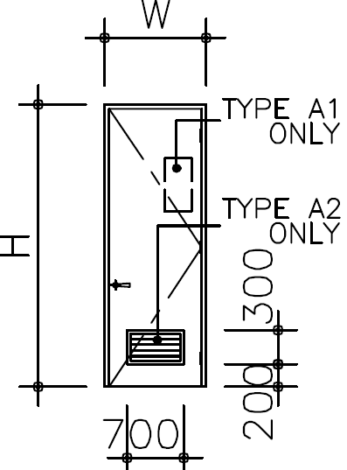 Type-A | W1000 x H2100 | Steel Door | Steel | Clear Wired Glass (Thk.6mm) | Panic Bar | 1.5H | -Hinge : Full Mortise Butt -Panic Bar with Lever Handle on other side -Lockset -Overhead Door Closer (Parallel Arm Mounting) | Exit
TVEP | Control Building(RC) HVAC Duct Shaft |  | SD15 | Steel Door_Single for Shaft |  | W600 x H900 HVAC Duct Shaft | Steel | Steel | N.A | N.A |  |  |  | TVEP | Control Building(RC) HVAC Duct Shaft | Steel Door |  | W600 x H900 | Steel | Steel | N.A | N.A | 1.5 H | -Hinge : Full Mortise Butt - Cup Handle Type Door Lock | Internal
SACE1 | Central Control Building(RC) Blast Chamber |  | SD22 | Blast Resistant Door_Single_Panic Bar |  | W1000 x H2100 | Steel | Steel | N.A | Panic |  |  |  | SACE1 | Central Control Building(RC) Blast Chamber | Blast Resistant Door | Type-A | 1000x2150 (1020x2160) | Min. THK 45 Galvanized Steel w/Paint *Blast -Overpressure : 0.81 PSI -Impulse 471.25 PSI-MS -Response Range : L -Performance Category : I | Galvanized Steel w/Paint | N.A | Push Panic Bar (Inside) | 1.5 H | -Lever Handle -Mortise Lock -Master Key System -Door Stopper(Floor Type) -Butt Hinge -Gas Tight Seal(Heacy-Duty PVC Seal) -Door Closer -Door Bottom w/Rain Drip -Securuty Door Locck | External
HNCC | Process Control Building |  | SD41 | Glass Door_Single |  | W1000 x H2100 | Glass Door | SST Frame | N.A | N.A |  |  |  | HNCC | Process Control Building | Stainless Steel Door |  | 1000x2200 | SSD w/Tempered Glass |  |  |  |  | -Hinge : Floor Hinge
HNCC | Process Control Building |  | SD12 | Steel Door_Single_Vision |  | W1000 x H2100 | Steel | Steel | Vision | N.A |  |  |  | HNCC | Process Control Building | Steel Glass Door |  | 1000x3010 | Steel w/Tempered Glass Door Leaf Thk45mm | Galvanized Steel and Paint Thick.1.3mm |  |  |  | -Hinge : Butt Hinge - Knob - Cylinder lock - Door stop - Door closers
Double Door |  |  |  |  |  |  |  |  |  |  |  |  |  | Double Door

SACE1 | Central Control Building(RC) Rack Room |  | DD11 | Steel Door_Double |  | W2000 x H2100 | Steel | Steel | N.A | N.A |  |  |  | SACE1 | Central Control Building(RC) Rack Room | Steel Door | 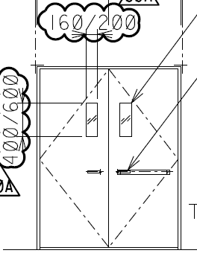 Type-B | 1800x2150 (1820x2160) | Min. THK 45 Galvanized Steel w/Paint | Galvanized Steel w/Paint | N.A | N.A | 1.5 H | -Lever Handle -Mortise Lock -Vert Flush Bolt(T&B, For Fixed Leaf) -Master Key System -Door Stopper(Floor Type) -Butt Hinge -Door Closer | Internal
HNCC | 154kV Substation |  | DD11 | Steel Door_Double |  | W2000 x H2100 | Steel | Steel | N.A | N.A |  |  |  | HNCC | 154kV Substation | Fire Rated Steel Door | 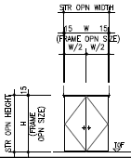 | 2160x2100 3160x3090 2660x3000 등 장비실에 따라 사이즈 다양함 | Steel Door Leaf Thk45mm | Galvanized Steel and Paint Thick.1.3mm |  |  | 1.0 H | -Hinge : Pivot Hinge(Top & Floor) - Knob - Vertical Flush Bolt - Cylinder lock - Door stop - Door closers
IBON | CCB(RC) |  | DD12 | Steel Door_Double_Vision |  | W2000 x H2100 | Steel | Steel | Vision | N.A |  |  |  | IBON | CCB(RC) | Steel Door |  | 2000x2100 등 장비실에 따라 사이즈 다양함 | Galvanized Steel w/Paint | Galvanized Steel w/Paint | Clear Wired Glass (Thk.7mm) |  |  | -Door Lever -Cylinder Lockset -Door Closer -Door Stopper -Pivot Hinge -Flush Bolt
HNCC | Process Control Building |  | DD21 | Blast Resistant Door_Double |  | W2000 x H2100 | Steel | Steel | N.A | N.A |  |  |  | HNCC | Process Control Building | Blast Door ww/Wicket door |  | 2160x2290 | Blast Resistant Steel Door | Galvanized Steel and Paint |  |  |  | -Hinge : Blast heavy dutty - Knob - Vertical Flush Bolt - Cylinder lock - Door stop - Door closers
SACE1 | Central Control Building(RC) Air Lock |  | DD22 | Blast Resistant Door_Double_Panic Bar |  | W2000 x H2100 | Steel | Steel | N.A | Panic |  |  |  | SACE1 | Central Control Building(RC) Air Lock | Blast Resistant Door | Type-B | 1800x2150 (1820x2160) | Min. THK 45 Galvanized Steel w/Paint *Blast -Overpressure : 0.81 PSI -Impulse 471.25 PSI-MS -Response Range : L -Performance Category : I | Galvanized Steel w/Paint | N.A | Push Panic Bar (Inside) | 1.5 H | -Lever Handle -Mortise Lock -Master Key System -Door Stopper(Floor Type) -Butt Hinge -Gas Tight Seal(Heacy-Duty PVC Seal) -Door Closer -Door Bottom w/Rain Drip -Securuty Door Locck | External
HNCC | Process Control Building |  | DD41 | Glass Door_Double |  | W2000 x H2100 | Glass Door | SST Frame | N.A | N.A |  |  |  | HNCC | Process Control Building | Stainless Steel Door |  | 2000x3010 | SSD w/Tempered Glass | Stainless Steel |  |  |  | -Hinge : Floor Hinge
HNCC | Subcontractor Building |  | DD41 | Glass Door_Double |  | W2000 x H2100 | Glass Door | SST Frame | N.A | N.A |  |  |  | HNCC | Subcontractor Building | Stainless Steel Door | 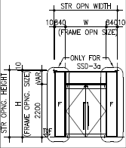 | 2200x2700 | SSD w/Tempered Glass | Stainless Steel |  |  |  | -Hinge : Floor Hinge
HNCC | Subcontractor Building |  | DD41 | Glass Door_Double |  | W2000 x H2100 | Glass Door | SST Frame | N.A | N.A |  |  |  | HNCC | Subcontractor Building | Stainless Steel Door | 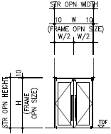 | 2160x2290 | Fire Glass Thk29mm | Stainless Steel |  |  |  | -Hinge : Floor Hinge
Double Door + Transsom |  |  |  |  |  |  |  |  |  |  |  |  |  | Double Door + Transsom

SACE1 | Central Control Building(RC) OTS Training Room |  | DDT11 | Steel Door_Double_Transsom |  | W2000xH2100 + W2000xH1000 | Steel | Steel | N.A | N.A |  |  |  | SACE1 | Central Control Building(RC) OTS Training Room | Steel Door | Type-C | 1800x2700 (1820x2710) | Min. THK 45 Galvanized Steel w/Paint | Galvanized Steel w/Paint Removable Transsom | N.A | N.A | 1.5 H | -Lever Handle -Mortise Lock -Vert Flush Bolt(T&B, For Fixed Leaf) -Master Key System -Door Stopper(Floor Type) -Butt Hinge -Door Closer | Internal
HNCC | Laboratory Building |  | DDT11 | Steel Door_Double_Transsom |  | W2000xH2100 + W2000xH1000 | Steel | Steel | N.A | N.A |  |  |  | HNCC | Laboratory Building | Steel Door |  | 3320x3060 | Door Leaf Thk45mm Galvanized steel and Paint | Galvanized Steel and Paint Thick.1.3mm |  |  |  | -Hinge : Pivot Hinge(Top & Floor) - Knob - Vertical Flush Bolt - Cylinder lock - Door stop - Door closers
IBON | CCB(RC) |  | DDT12 | Steel Door_Double_Vision_Transsom |  | W2000xH2100 + W2000xH1000 | Steel | Steel | Vision | N.A |  |  |  | IBON | CCB(RC) | Steel Door |  | 2200x3000 등 장비실에 따라 사이즈 다양함 | Galvanized Steel w/Paint | Galvanized Steel w/Paint | Clear Wired Glass (Thk.7mm) |  |  | -Door Lever -Cylinder Lockset -Door Closer -Door Stopper -Pivot Hinge -Flush Bolt
SACE1 | Central Control Building(RC) Battery Room |  | DDT22 | Blast Resistant Door_Double_Panic Bar |  | W2000xH2100 + W2000xH1000 | Steel | Steel | N.A | Panic |  |  |  | SACE1 | Central Control Building(RC) Battery Room | Blast Resistant Door | 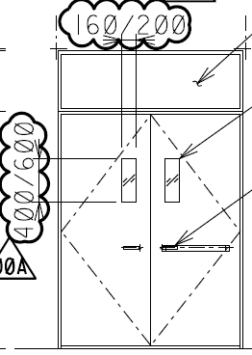 Type-C | 1800x2700 (1820x2710) | Min. THK 45 Galvanized Steel w/Paint *Blast -Overpressure : 0.81 PSI -Impulse 471.25 PSI-MS -Response Range : L -Performance Category : I | Galvanized Steel w/Paint Removable Transsom | N.A | Push Panic Bar (Inside) | 1.5 H | -Lever Handle -Mortise Lock -Master Key System -Door Stopper(Floor Type) -Butt Hinge -Gas Tight Seal(Heacy-Duty PVC Seal) -Door Closer -Door Bottom w/Rain Drip -Securuty Door Locck | External
Shutter / Sliding / Hanger / Swing / Revolving / Folding |  |  |  |  |  |  |  |  |  |  |  |  |  | Shutter / Sliding / Hanger / Swing / Revolving / Folding

TVEP | Turbine Building(ST) |  | BD12 | Steel Roll Up Door_Motor |  | 0 | Steel | Steel | Motor |  |  |  |  | TVEP | Turbine Building(ST) |  | 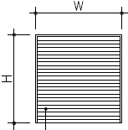 | W7400 x H7000 | Sigle Skin Slat |  |  |  |  | Motor Operated | External Wind Resistance
HNCC | 154Kv Subtation |  | BD12 | Steel Roll Up Door_Motor |  | 0 | Steel | Steel | Motor |  |  |  |  | HNCC | 154Kv Subtation | GIS room에 설치 | 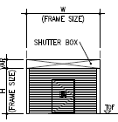 | 5000x4500 |  |  |  |  |  |  | By Vendor
HNCC | Subcontractor Building |  | BD66 | Glass Folding(Accordion) Door_Manual |  | 0 | Glass Door | SST Frame | Motor |  |  |  |  | HNCC | Subcontractor Building | Folding door Mess Hall | 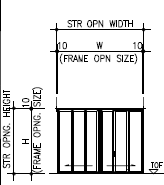 | 6500x2700 2640x2700 | Tempered Glass Thk9mm | Manufacturer's destails |  |  |  | Manufacturer's destails
HNCC | Process Control Building |  | BD26 | Glass Sliding Door_Motor |  | 0 | Glass Door | SST Frame | Motor |  |  |  |  | HNCC | Process Control Building | Sliding Door (Automatic Type w/Censor) |  | 1000x2200 | SSD w/Tempered Glass | Stainless Steel |  |  |  | Manufacturer Standard
HNCC | Process Control Building |  | BD26 | Glass Sliding Door_Motor |  | 0 | Glass Door | SST Frame | Motor |  |  |  |  | HNCC | Process Control Building | Sliding Door (Automatic Type w/Censor) |  | 2020x2510 | SSD w/Tempered Glass | Stainless Steel |  |  |  | Manufacturer Standard
HNCC | Subcontractor Building |  | BD26 | Glass Sliding Door_Motor |  | 0 | Glass Door | SST Frame | Motor |  |  |  |  | HNCC | Subcontractor Building | Sliding Door | 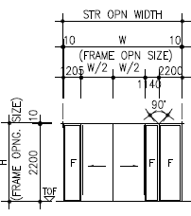 | 2000x2200 | SSD w/Tempered Glass | Stainless Steel |  |  |  | Manufacturer Standard

Window Style No
Finish Style Name & Numbering : Window
* Window Size, Fire Rating이 다른 경우 => 별도 구분 않함.
※ Window Style Schedule : |  | 기본 입력된 정보 | Style No.(Key Name) | Style Name | 표준Size(Ref.) | Glass 재질 | Frame 재질
※ Window Schedule : |  | 설계자의 설계 추가 입력 정보 | Int. or Ext 입력 | Fire Rating 입력
Sliding Type
 | Style Number | Style Name (Key Name) | Ref. Window Size | Glass | Frame | Fire Rating |  | Remark
Steel Window | WN11 | Steel Window_SG_Sliding |  | Single Glazing | Steel | NA/0.5/1.0 |  | WM : Single/Double Glazing 구분 없음, FR (NA/0.5H/1.0H) 구분
 | WN12 | Steel Window_DG_Sliding |  | Double Glazing | Steel | NA/0.5/1.0

Aluminum Window | WN13 | Aluminum Window_SG_Sliding |  | Single Glazing | Aluminum | NA/0.5/1.0 |  | WM : Single/Double Glazing 구분 없음, FR (NA/0.5H/1.0H) 구분
 | WN14 | Aluminum Window_DG_Sliding |  | Double Glazing | Aluminum | NA/0.5/1.0

uPVC Window | WN15 | uPVC Window_SG_Sliding |  | Single Glazing | uPVC |  |  | WM : Single/Double Glazing 구분 없음, FR 구분 없음
 | WN16 | uPVC Window_DG_Sliding |  | Double Glazing | uPVC

Blast Resistant Window | WN17 | Blast Resistant Steel Window_Sliding |  |  |  |  |  | WM : Blast Load: Overpressure ( )psi, Duration ( )ms

Bullet-Proof Steel Window | WN19 | Bullet-Proof Steel Window_Sliding

 | N.A | N.A
기준 | WM : Window Type 추가 필요
 | WM : Glass Type 추가 필요

Awning Type
 | Style Number | Style Name (Key Name) | Ref. Window Size | Glass | Frame | Fire Rating |  | Remark
Steel Window | WN21 | Steel Window_SG_Awning |  | Single Glazing | Steel | NA/0.5/1.0 |  | WM : Single/Double Glazing 구분 없음, FR (NA/0.5H/1.0H) 구분
 | WN22 | Steel Window_DG_Awning |  | Double Glazing | Steel | NA/0.5/1.0

Aluminum Window | WN23 | Aluminum Window_SG_Awning |  | Single Glazing | Aluminum | NA/0.5/1.0 |  | WM : Single/Double Glazing 구분 없음, FR (NA/0.5H/1.0H) 구분
 | WN24 | Aluminum Window_DG_Awning |  | Double Glazing | Aluminum | NA/0.5/1.0

uPVC Window | WN25 | uPVC Window_SG_Awning |  | Single Glazing | uPVC |  |  | WM : Single/Double Glazing 구분 없음, FR 구분 없음
 | WN26 | uPVC Window_DG_Awning |  | Double Glazing | uPVC

Blast Resistant Window | WN27 | Blast Resistant Steel Window_Awning |  |  |  |  |  | WM : Blast Load: Overpressure ( )psi, Duration ( )ms

Bullet-Proof Steel Window | WN29 | Bullet-Proof Steel Window_Awning

 | N.A | N.A
기준

Fix Type
 | Style Number | Style Name (Key Name) | Ref. Window Size | Glass | Frame | Fire Rating |  | Remark
Steel Window | WN31 | Steel Window_SG_Fix |  | Single Glazing | Steel | NA/0.5/1.0 |  | WM : Single/Double Glazing 구분 없음, FR (NA/0.5H/1.0H) 구분
 | WN32 | Steel Window_DG_Fix |  | Double Glazing | Steel | NA/0.5/1.0

Aluminum Window | WN33 | Aluminum Window_SG_Fix |  | Single Glazing | Aluminum | NA/0.5/1.0 |  | WM : Single/Double Glazing 구분 없음, FR (NA/0.5H/1.0H) 구분
 | WN34 | Aluminum Window_DG_Fix |  | Double Glazing | Aluminum | NA/0.5/1.0
 | WN34A | Aluminum Window_DG_Low E_Fix |  | Double Glazing_Low E | Aluminum |  |  | WM 없음, Low E 사례 : 6mm Low E Glass (Out)+12mm(Argon)+6mm Clear Glass (In)

uPVC Window | WN35 | uPVC Window_SG_Fix |  | Single Glazing | uPVC |  |  | WM : Single/Double Glazing 구분 없음, FR 구분 없음
 | WN36 | uPVC Window_DG_Fix |  | Double Glazing | uPVC

Blast Resistant Window | WN37 | Blast Resistant Steel Window_Fix |  |  |  |  |  | WM : Blast Load: Overpressure ( )psi, Duration ( )ms

Bullet-Proof Steel Window | WN39 | Bullet-Proof Steel Window_Fix

 | N.A | N.A
기준

Combination Type
 | Style Number | Style Name (Key Name) | Ref. Window Size | Glass | Frame | Fire Rating |  | Remark
Fix + Awning | WN41 | Steel Window_SG_Comb |  | Single Glazing | Steel | NA/0.5/1.0 |  | WM : Single/Double Glazing 구분 없음, FR (NA/0.5H/1.0H) 구분
 | WN42 | Steel Window_DG_Comb |  | Double Glazing | Steel | NA/0.5/1.0

 | WN43 | Aluminum Window_SG_Comb |  | Single Glazing | Aluminum | NA/0.5/1.0 |  | WM : Single/Double Glazing 구분 없음, FR (NA/0.5H/1.0H) 구분
 | WN44 | Aluminum Window_DG_Comb |  | Double Glazing | Aluminum | NA/0.5/1.0
 | WN44A | Aluminum Window_DG_Low E_Comb |  | Double Glazing_Low E | Aluminum |  |  | WM 없음, Low E 사례 : 6mm Low E Glass (Out)+12mm(Argon)+6mm Clear Glass (In)

 | WN45 | uPVC Window_SG_Comb |  | Single Glazing | uPVC |  |  | WM : Single/Double Glazing 구분 없음, FR 구분 없음
 | WN46 | uPVC Window_DG_Comb |  | Double Glazing | uPVC

 | WN51

 | WN61

 | N.A | N.A
기준

Skylight
 | Style Number | Style Name (Key Name) | Ref. Window Size | Glass | Frame |  |  | Remark
Skylight | WN71 | Skylight_FRP |  |  |  |  |  | WM : FRP(Fiberglass Reinforced Plastics) Skylight
 | WN72 | Skylight_Acrylic |  |  |  |  |  | WM : Acrylic Skylight w/ Ventilation

 | N.A | N.A
기준

MISC
 | Style Number | Style Name (Key Name) | Ref. Window Size | Glass | Frame |  |  | Remark
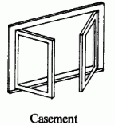 | WN81 | Aluminum Window_DG_Casement

 | WN91 | Aluminum Window_DG_Single Hung |  | Double Glazing | Aluminum |  |  | 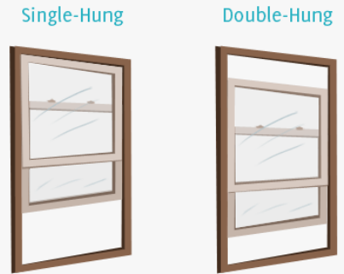
 | WN91A | Aluminum Window_DG_Low E_Single Hung |  | Double Glazing_Low E | Aluminum
 | WN95 | Aluminum Window_DG_Double Hung |  | Double Glazing | Aluminum

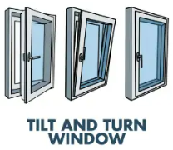 | WN101 | Aluminum Window_DG_Tilt

 | WN111 | Aluminum Window_DG_Center Pivot

 | N.A | N.A
기준

Louver
 | Style Number | Style Name (Key Name) | Ref. Size | Louver | Frame |  |  | Remark
Louver | LV11 | Louver_Aluminum |  | Aluminum | Aluminum
 | LV12 | Louver_Steel |  | Steel | Steel

 | N.A | N.A
기준

Window 표준
팀 기준 사양 : Window |  |  |  |  |  |  |  |  |  |  |  | 프로젝트 적용 현황
* 동일 Finish Material 의 두께, Size, 높이가 다른 경우 => 별도 구분 않함.
Project | Building | Description | Style Number | Style Name (Key Name) | Window Type | Size | Glass | Frame | Hardware | Fire Rating | Remark | Project | Building | Description | Window Type | Window Size (Opening) | Glass | Frame | Hardware | Fire Rating | Remark
Sliding Type |  |  |  |  |  |  |  |  |  |  |  | Sliding Type

TVEP | Control Building(RC) |  | WN14 | Aluminum Window_DG_Sliding |  | 0 | Double Glazing | Aluminum |  |  |  | TVEP | Control Building(RC) |  | Type-1 | W1200 x H1200 | Double Glazing of Tempered Safety Glass (Thk.6mm Double w/ Thk.12mm Air Space) | Aluminum | Insect Screen | N.A | External
VEQU | CCB(ST) |  | WN14 | Aluminum Window_DG_Sliding |  | 0 | Double Glazing | Aluminum |  |  |  | VEQU | CCB(ST) | Aluminum Window |  | W2000 x H1000 | Double Glazing (Thk.6mm Double w/ Thk.6mm Air Space) | Aluminum | Insect Screen | N.A | External
Awning Type |  |  |  |  |  |  |  |  |  |  |  | Awning Type

TVEP | Control Building(RC) |  | WN24 | Aluminum Window_DG_Awning |  | 0 | Double Glazing | Aluminum |  |  |  | TVEP | Control Building(RC) | Aluminum Window | 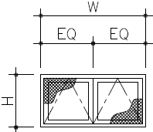 | W1200 x H600 | Double Glazing of Tempered Safety Glass (Thk.6mm Double w/ Thk.12mm Air Space) | Aluminum | Insect Screen | N.A | External

Fix Type |  |  |  |  |  |  |  |  |  |  |  | Fix Type

SACE1 | Central Control Building(RC) Meeting Room |  | WN32 | Steel Window_DG_Fix |  | 0 | Double Glazing | Steel |  |  |  | SACE1 | Central Control Building(RC) Meeting Room | Steel Window | Type-B | W2000 x H1400 W : EQ=1000 x 2 (2020 x 1420) | Fire Rated Glazing | Galvanized Steel w/Paint |  | 0.75 H | Internal
SACE1 | Central Control Building(RC) Main Control Room |  | WN32 | Steel Window_DG_Fix |  | 0 | Double Glazing | Steel |  |  |  | SACE1 | Central Control Building(RC) Main Control Room | Steel Window | Type-D | W3280 x H1700 (3300 x 1720) | Fire Rated Glazing | Galvanized Steel w/Paint |  | 2.0 H | Internal
TVEP | Control Building(RC) |  | WN33 | Aluminum Window_SG_Fix |  | 0 | Single Glazing | Aluminum |  |  |  | TVEP | Control Building(RC) | Aluminum Window |  | W2400 x H750 | Clear Single Glass THK 6mm | Aluminum |  | N.A | External
HNCC | 154Kv Substation |  | WN32 | Steel Window_DG_Fix |  | 0 | Double Glazing | Steel |  |  |  | HNCC | 154Kv Substation | Steel Window | 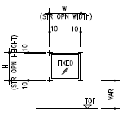 | 1200x1200 | Double Glazed Insulated Glass | Steel Galvanized and Paint |  |  | External
HNCC | Laboratory Building |  | WN34A | Aluminum Window_DG_Low E_Fix |  | 0 | Double Glazing_Low E | Aluminum |  |  |  | HNCC | Laboratory Building | Aluminum Window | 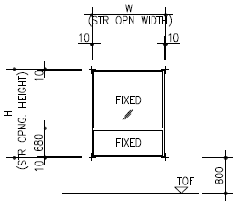 | 1500x1900 | Double Glazed Insulated Glass (Low-E glass) Thick.24mm | Aluminum PVDF Coating |  |  | 국내법에 따른 소방관 진입창 용도임
Combination Type |  |  |  |  |  |  |  |  |  |  |  | Combination Type
TVEP | Control Building(RC) |  | WN44 | Aluminum Window_DG_Comb |  | 0 | Double Glazing | Aluminum |  |  |  | TVEP | Control Building(RC) | Aluminum Window Awning + Fix | 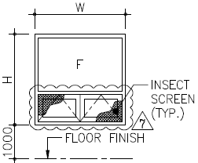 | W1200 x H1200 | Double Glazing of Tempered Safety Glass (Thk.6mm Double w/ Thk.12mm Air Space) | Aluminum | Insect Screen | N.A | External
HNCC | Laboratory Building |  | WN44A | Aluminum Window_DG_Low E_Comb |  | 0 | Double Glazing_Low E | Aluminum |  |  |  | HNCC | Laboratory Building | Aluminum Window | 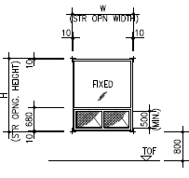 | 1500x1900 | Double Glazed Insulated Glass (Low-E glass) Thick.24mm | Aluminum PVDF Coating |  |  | 국내법에 따른 소방관 진입창 용도임

Skylight |  |  |  |  |  |  |  |  |  |  |  | Skylight

 |  |  | WN71 | Skylight_FRP |  | 0 | 0 | 0

MISC |  |  |  |  |  |  |  |  |  |  |  | MISC

 |  |  | WN81 | Aluminum Window_DG_Casement |  | 0 | 0 | 0
 |  |  | WN91 | Aluminum Window_DG_Single Hung |  | 0 | Double Glazing | Aluminum
HNCC | Laboratory Building |  | WN91A | Aluminum Window_DG_Low E_Single Hung |  | 0 | Double Glazing_Low E | Aluminum |  |  |  | HNCC | Laboratory Building | Aluminum Window | 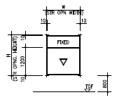 | 1500x1800 | Double Glazed Insulated Glass (Low-E glass) Thick.24mm | Aluminum PVDF Coating |  |  | 국내법에 따른 소방관 진입창 용도임
 |  |  | WN101 | Aluminum Window_DG_Tilt |  | 0 | 0 | 0
 |  |  | WN111 | Aluminum Window_DG_Center Pivot |  | 0 | 0 | 0

Louver |  |  |  |  |  |  |  |  |  |  |  | Louver

 |  |  | LV11 | Louver_Aluminum |  | 0 | Aluminum | Aluminum

Sample
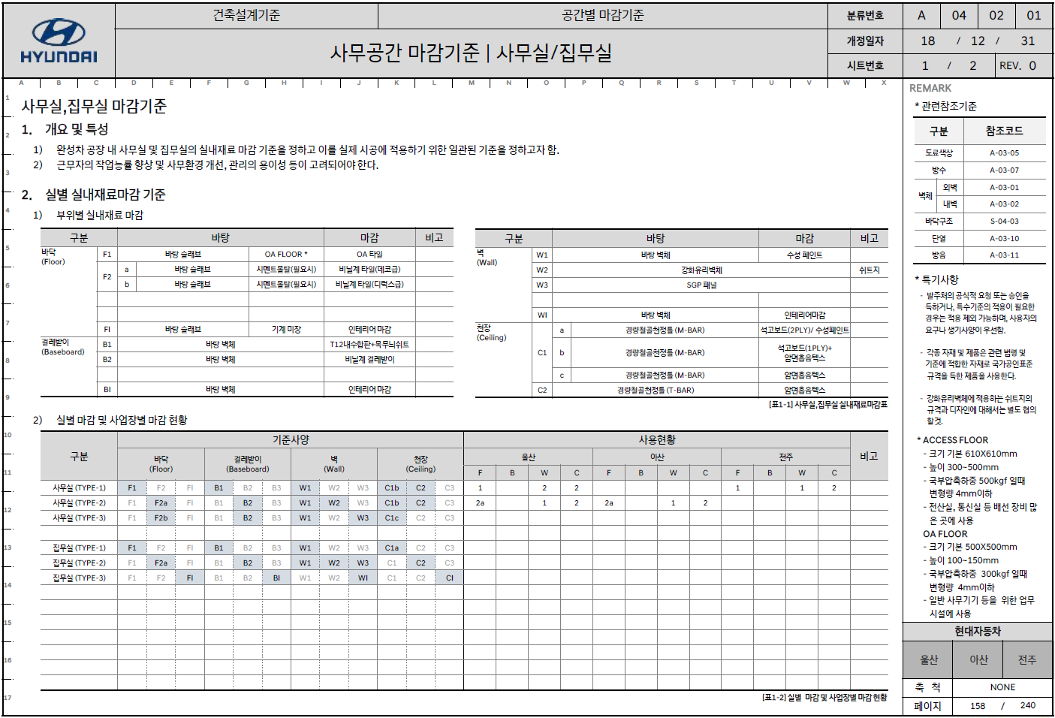

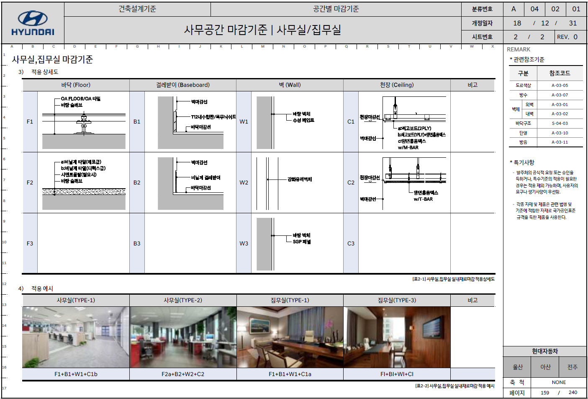

E-Space Room List
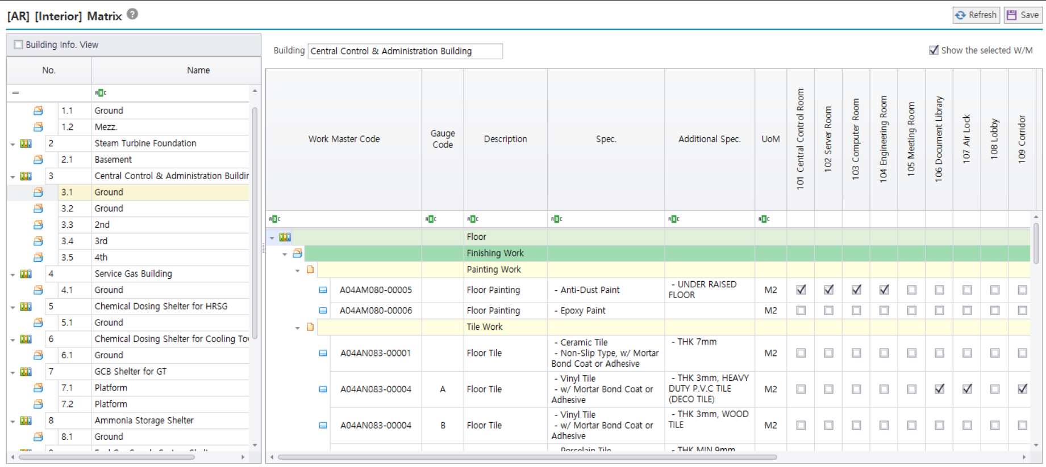
Project : 현대오일뱅크 대산 지역열병합 발전소 건설 공사
Building : Central Control & Administration Building
Floor : Ground
Room Name | Standard Room | EA | Occupancy | Width (m) | Length (m) | C.H. or Height (m) | Area (m2) | Rate (m2/1p) | Remark | Sort No.
101 Central Control Room | Central Control Room | 1 |  | 13.20 | 15.00 | 3.00 | 198.00 | 198.00 | 기본 면적으로 적용함. (Serverroom 면적 포함) | 0
102 Server Room | Server Room | 1 |  | 6.00 | 0.00 | 0.00 | 0.00 | 0.00 |  | 0
103 Computer Room | Computer Room | 1 |  | 3.80 | 7.50 | 3.00 | 28.50 | 28.50 |  | 0
104 Engineering Room | Engineering Work Room | 1 |  | 3.80 | 7.50 | 3.00 | 28.50 | 28.50 |  | 0
105 Meeting Room | Meeting Room | 1 |  | 8.00 | 4.00 | 3.00 | 32.00 | 32.00 |  | 0
106 Document Library | Document Room | 1 |  | 8.00 | 7.50 | 3.00 | 60.00 | 60.00 |  | 0
107 Air Lock | Air Lock | 1 |  | 3.10 | 3.50 | 3.00 | 10.85 | 10.85 |  | 0
108 Lobby | Reception | 1 |  | 2.90 | 3.50 | 3.00 | 10.15 | 10.15 |  | 0
109 Corridor | Corridor | 1 |  | 3.00 | 33.35 | 3.00 | 100.05 | 100.05 |  | 0
110 Conference Room | Conference Room | 1 |  | 6.00 | 11.50 | 3.00 | 69.00 | 69.00 |  | 0
111 Canteen | Canteen (Dining Room) | 1 |  | 6.00 | 11.00 | 3.00 | 66.00 | 66.00 |  | 0
112 Rest Room(M) | Rest Room | 1 |  | 7.35 | 6.00 | 3.00 | 44.10 | 44.10 |  | 0
113 Rest Room(W) | Rest Room | 1 |  | 7.00 | 2.60 | 3.00 | 18.20 | 18.20 |  | 0
114 SFC Room | FM200 cylinder room | 1 |  | 3.35 | 5.40 | 5.40 | 18.09 | 18.09 |  | 0
115 F.O. Tank Room | Oil Room | 1 |  | 3.65 | 5.40 | 5.40 | 19.71 | 19.71 |  | 0
118 Locker room | Locker room | 1 |  | 7.50 | 8.00 | 3.00 | 60.00 | 60.00 |  | 0
119 Shower room | Shower room | 1 |  | 3.50 | 8.00 | 2.70 | 28.00 | 28.00 |  | 0
122 Toilet(M) | Toilet | 1 |  | 5.90 | 4.00 | 2.70 | 23.60 | 23.60 |  | 0
123 Toilet(W) | Toilet | 1 |  | 5.40 | 3.50 | 2.70 | 18.90 | 18.90 |  | 0
124 Toilet(UA-M) | Toilet | 1 |  | 4.00 | 2.10 | 2.70 | 8.40 | 8.40 |  | 0
125 Toilet(UA-W) | Toilet | 1 |  | 3.50 | 2.60 | 2.70 | 9.10 | 9.10 |  | 0
126 Stair case | Stair case | 1 |  | 3.65 | 9.00 | 5.40 | 32.85 | 32.85 |  | 0

 |  |  |  |  |  | Area Validation
 |  |  |  |  |  | Total Room Area (m2, A) : |  | 884
 |  |  |  |  |  | Total Floor Area (m2, B) :
 |  |  |  |  |  | Deviation (m2, B-A) : |  | -884

도면
